MAHP 2.0 Scoresheet
MAHP 2.0 Assessment Scoresheet
Instructions
Enter your scores for the MAHP Assessment below. This sheet will calculate both your overall score and one for each of the three strategies.
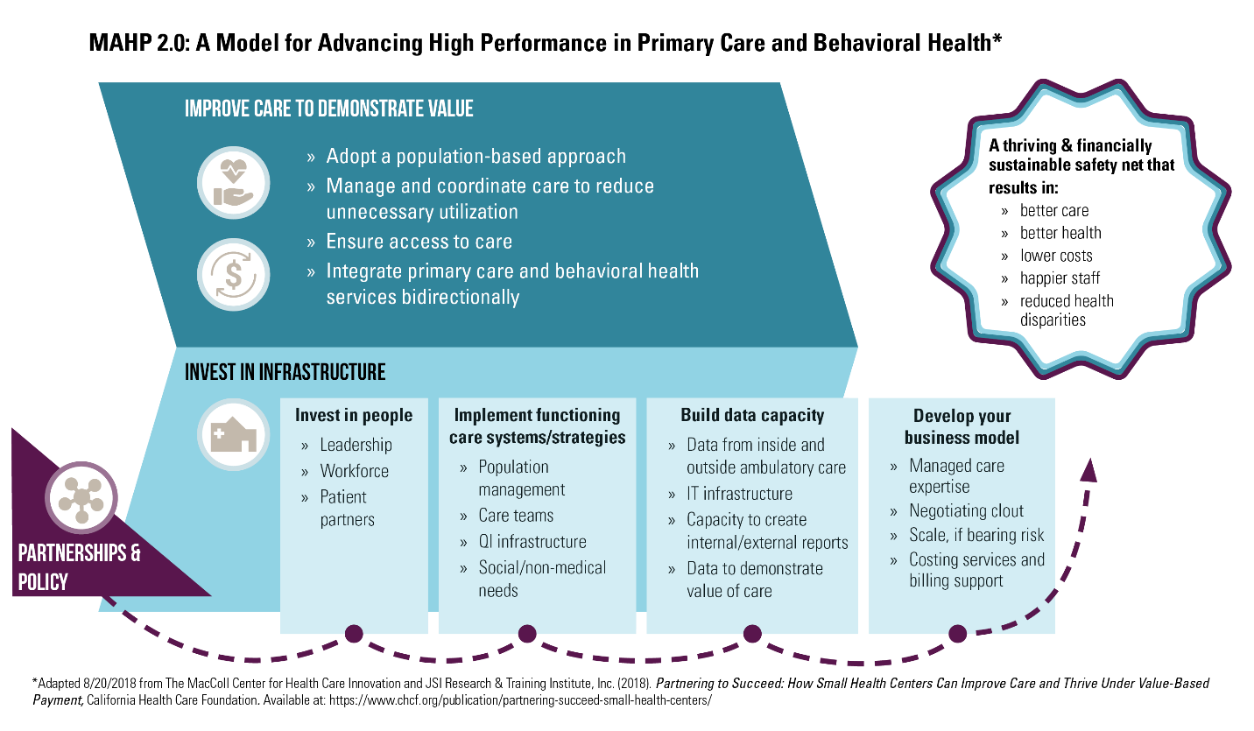
In order to correctly calculate your score please do not leave any of the questions blank.

Enter your scores below

STRATEGY 1: INVEST IN INFRASTRUCTURE |  | SCORING BY MAHP STRATEGY AREA
Invest in people
(Leadership, Workforce, Patient partners) |  | STRATEGY 1: INVEST IN INFRASTRUCTURE
1 | 0
2 | 0 | Subscales:
3 | 0 | Invest in people | 0
4 | 0 | Implement functioning care systems/strategies | 0
 |  | Build data capacity | 0
Implement functioning care systems/strategies |  | Develop your business model | 0
(Population management, Care teams, QI infrastructure,
Social/non-medical needs) |  | Average Score for Strategy 1 | 0
5 | 0
6 | 0 | STRATEGY 2: IMPROVE CARE TO DEMONSTRATE VALUE
7 | 0
8 | 0 | Subscales:
9 | 0 | Adopt a population-based approach | 0
10 | 0 | Manage and coordinate care to reduce
11 | 0 | unnecessary utilization | 0
12 | 0 | Ensure access to care | 0
 |  | Integrate primary care and behavioral health
Build data capacity |  | services bidirectionally | 0
(Data from inside and outside ambulatory care, IT
infrastructure, Capacity to create internal/external reports |  | Average Score for Strategy 2 | 0
Data to demonstrate value of care)
13 | 0
14 | 0 | STRATEGY 3: PARTNERSHIPS AND POLICY
15 | 0
16 | 0 | Average Score for Strategy 3 | 0
17 | 0
18 | 0
 |  | OVERALL AVERAGE SCORE | 0
Develop your business model
(Managed care expertise, Negotiating clout,
Scale, if bearing risk, Costing services and billing support)
19 | 0
20 | 0
21 | 0
22 | 0

STRATEGY 2: IMPROVE CARE TO DEMONSTRATE VALUE
Adopt a population-based approach
23 | 0
24 | 0

Manage and coordinate care to reduce
unnecessary utilization
25 | 0
26 | 0

Ensure access to care
27 | 0

Integrate primary care and behavioral health
services bidirectionally
28 | 0
29 | 0
30 | 0

STRATEGY 3: PARTNERSHIPS & POLICY
31 | 0
32 | 0

